Sheet1
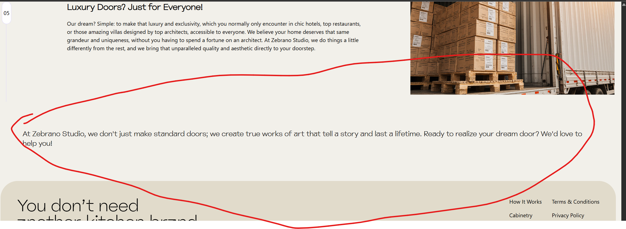

Bit more bold and noticable like below followed but 2 buttons

 | Collection | Configure your own

